Hoja1
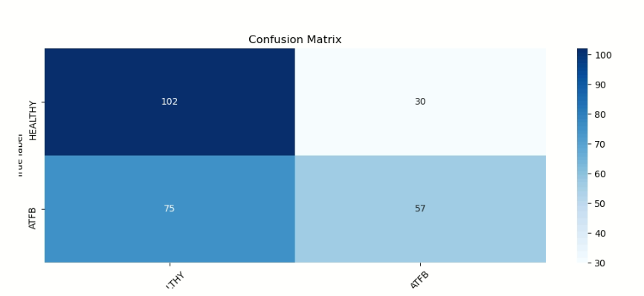
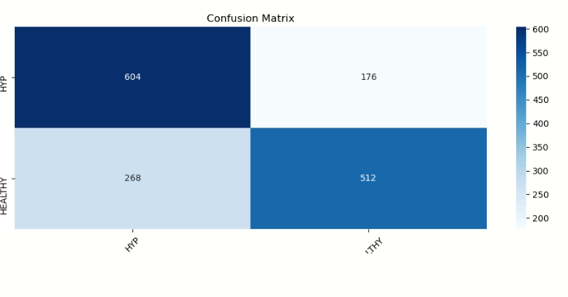

 |  |  |  |  |  | 604 | 268 | 176 | 512 | 0.71538461538

 |  |  |  |  |  | 0.57625

102 |  |  | 102
75 | 0.57627118644 |  | 30 | 0.77272727273
57 |  |  | 57
30 | 0.65517241379 | 0.61572180012 | 75 | 0.43181818182 | 0.60227272727

